Rating
Average of Job Satisfaction
2.6

Rating | 2.6 | 0.65663265306
Balance Rating | 1.4 | 0.34336734694

background
`
JOB SATISFACTION RATING
 | 0.65663265306
 | 0.34336734694
HR ANALYITICS DASHBOARD
2.6

TOTAL EMPLOYEES
Attrition
Active Employees
Attition Rate
Average Age
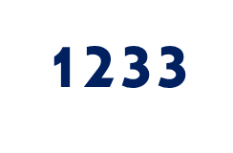
1470
237
16.12%
37

